Face Sheet
State of California
Department of Consumer Affairs

July 2026

DIRECTORY OF
CERTIFIED
INSULATION
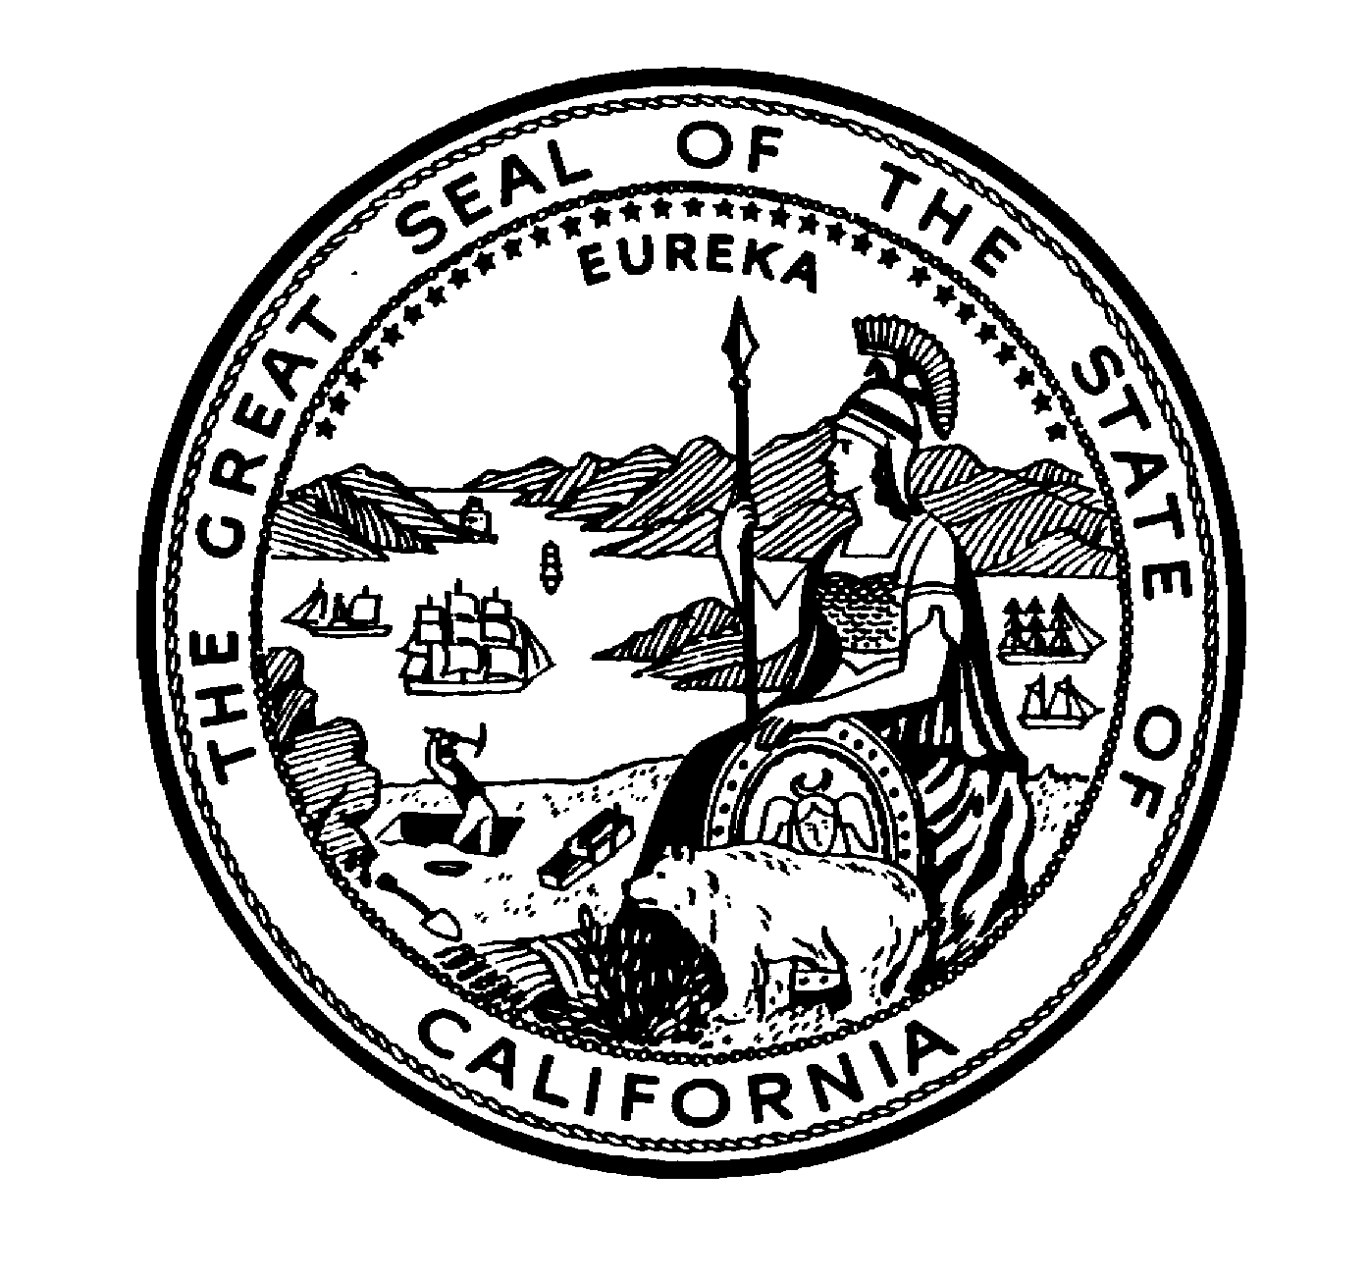
MATERIALS

Sorted By
TYPE
and
MANUFACTURER

Bureau of Household Goods And Services

Gavin Newsom, Governor
State of California

Christine Lally, Acting Director
Department of Consumer Affairs

Claire Goldstene, Deputy Bureau Chief
Bureau of Household Goods and Services
bhgs.dca.ca.gov

